Instruction
User instruction
1. A step is defined as a set of actions that will be carried out simoultaneously. If it is important that actions are carried out in a specific order then split it up in several steps. Eg. if temperature should reach its set point before the pressure is ramped for example, then these are two separate steps. The parameters entered should be the final value at the end of the step.
2. When adding a new step, all cells needing an input are marked with orange. Input cells have black text and output/calculated cells have red text.
- Enter the anode pressure before the other pressures, per default the coolant and cathode pressure are calculated +/- 0.2bar from the anode.
- Specify the pressure control for each gas (inlet or outlet).
- A temperature or pressure value of 0 is equivalent to stopping the regulation of temperature/pressure (pressure will be ambient and temperature will be whatever it is in the test station at the time).
3. Ensure that the settings Cell number, Flow mode, I_MinGasFlow and Humidity calc are correct. The table will visually change depending on settings.
- The most used Flow mode is stoich, then only min flow and stoich needs to be set. If flow mode is changed to Flow, then min flow needs to be set to 0. And Gas flows needs to be entered manually in FN_Si_A_H2, F_Si_A_N2 and FN_Si_C_Air. When entering flows manually, the formulas for flow calculation will be lost, this can be recovered but copying the formula from another flow cell.
- The I_MinGasFlow setting affects the calculation of flow and real stoich, only valid when running in Stoich flow control mode. Otherwise set it to 0.
- The Humidity calc setting specifies wether the input humidity number is in RH or DPT. Depending on the choice, then the values for one hum. calc. column will be hidden.
- When changing Flow mode, the flow and stoich colums change colour to indicate what is the determining factor. But you still have to manually change the value in each cell.
4. Approx. step time needs to be manually entered for each step. The time is used to estimate the test station time needed to run all steps. The time includes all time consumed for the step, e.g. ramp time, all waiting time and estimation of any Wait_until time needed.
5. The Description field is to shortly describe the step, and to enter any special instructions if needed, e.g. wait until temperature is reached before proceeding or program a wait 360seconds at the end of the step.
6. The Change field can be used to highlight a change carried out during the step, for a clearer visualization. Eg. temperature, current etc.
Tips and tricks:
- If color coding is desired select the column of choice and under the Home tab choose Conditional Formatting > Color Scales > Choose scale or create your own.
- If any cell equations are changed and are desired to be restored, left click on the cell and choose "Restore to Calculated Column Formula" in the exclamation point drop down list. If this fails, then the correct formatting can be copied from the template.
- Reference for how the flow and humidity calculations has been done is available on the Reference sheet.

Reference
air_dens_gL | 1.2869450218 | (g/l) density of air@0°C;1bar |  |  |  | Drop down lists
H2_dens_gL | 0.08992671895 | g/L 100% hydrogen at STP |  |  |  | Coolant | Flow control mode | Move to next step | Pressure control | Humidity alc
N2_dens_gL | 1.2496066987 | g/L 100% nitrogen at STP |  |  |  | Water | Stoich | Wait until (Set points) | Inlet | DPT
Q_H2 | 7.0 |  |  |  |  |  | Flow | CellV < 0.05 | Outlet | RH
Q_air | 16.6
STP,pressure | 101.3 | kPa
STP,temperature | 273.15 | K

H2 supply bundle size | 1483 | Nm3
H2 supply bundle efficiency | 0.9 | ratio
H2 supply bundle, approx available H2 | 1334.7 | Nm3

Barbir 2013: |  |  |  | S3 Manual:
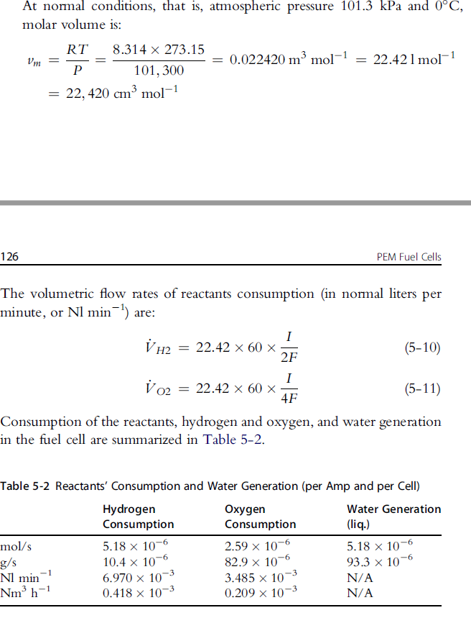
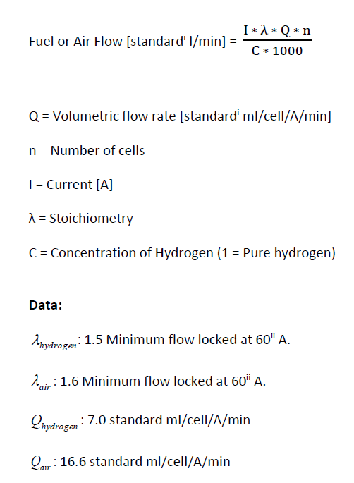

 |  |  |  |  | Vaisala humidity conversion formulas, B210973EN-F, 2013
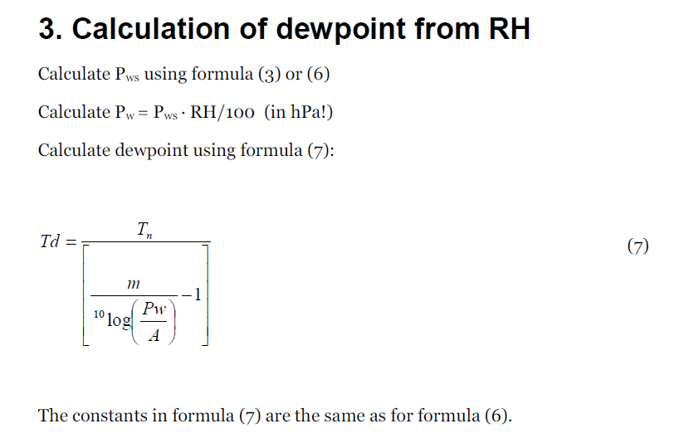

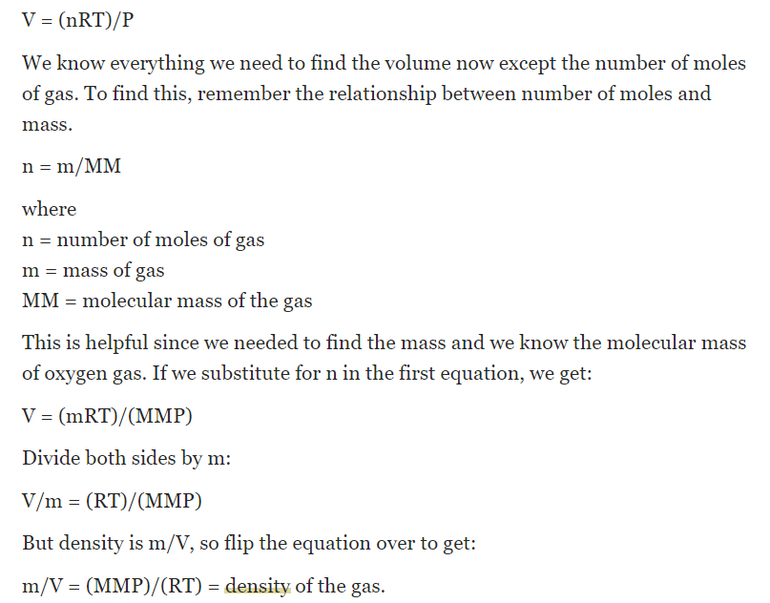

 |  |  | v

